Sheet1
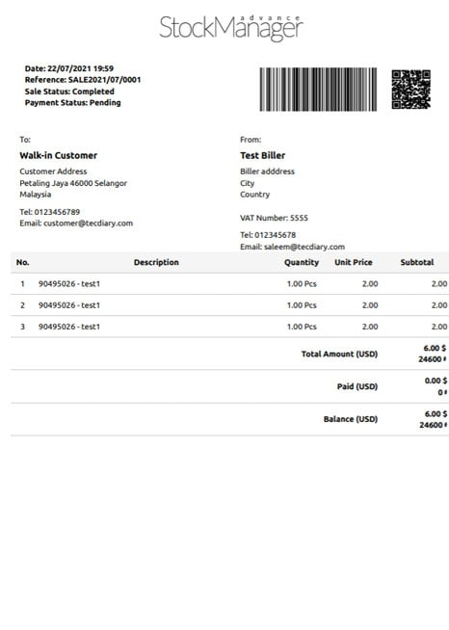

Sheet2
 |  |  |  |  |  | UNF

Imp_ID | Imp_Date | Reference | Sale_St | Pay_St | Emp_ID | Emp_Name | Emp_Add | Emp_Tel | Emp_Email | Sup_ID | Supplier | Sup_Add | Sup_Tel | Sup_Email | Pro_ID | Pro_Name | Description | Qty | UP | Sub_Total | Total_Amount
36323 | 2021-07-22 | XXXX | 1 | 0 | XX | XXX | Malasy | 2424143 | employe@gmail.com | XXXX | XXXX | XXXX | 353333 | supplier@gmail.com | 1,2,3 | XXX,XXX,XXX |  | 1,1,1 | 2,2,2 | 2,2,2 | 6

 |  |  |  |  |  | 1NF

Imp_ID | Imp_Date | Reference | Sale_St | Pay_St | Emp_ID | Emp_Name | Emp_Add | Emp_Tel | Emp_Email | Sup_ID | Supplier | Sup_Add | Sup_Tel | Sup_Email | Pro_ID | Pro_Name | Description | Qty | UP | Sub_Total | Total_Amount
36323 | 2021-07-22 | XXXX | 1 | 0 | XX | XXX | Malasy | 2424143 | employe@gmail.com | XXXX | XXXX | XXXX | 353333 | supplier@gmail.com | 1 | XXX,XXX,XXX |  | 1 | 2 | 2 | 2
36323 | 2021-07-22 | XXXX | 1 | 0 | XX | XXX | Malasy | 2424143 | employe@gmail.com | XXXX | XXXX | XXXX | 353333 | supplier@gmail.com | 2 | XXX,XXX,XXX |  | 1 | 2 | 2 | 2
36323 | 2021-07-22 | XXXX | 1 | 0 | XX | XXX | Malasy | 2424143 | employe@gmail.com | XXXX | XXXX | XXXX | 353333 | supplier@gmail.com | 3 | XXX,XXX,XXX |  | 1 | 2 | 2 | 2

 |  |  |  |  |  | 2NF

 |  |  |  | តាមរយៈតារាង 1NF យើងបានភាពអាស្រ័យអនុគមន៍

 |  | Imp_ID -> Imp_Date, Reference, Sale_St, Pay_St, Emp_ID, Emp_Name, Emp_Add, Emp_Tel, Emp_Email, Sup_ID, Supplier, Sup_Add, Sup_Tel, Sup_Email, (FFD)
 |  | Pro_ID -> ProName, Description, UP (FFD)
 |  | Imp_ID, Pro_ID -> Qty, Sub_Total, Total_Amount (FFD)
tbImport(Imp_ID, Imp_Date, Reference, Sale_St, Pay_St, Emp_ID, Emp_Name, Emp_Add, Emp_Tel, Emp_Email, Sup_ID, Supplier, Sup_Add, Sup_Tel, Sup_Email)
tbProduct(Pro_ID, ProName, Description, UP)
tbImportDetail(Imp_ID, Pro_ID, Qty, Sub_Total, Total_Amount)

 |  |  |  |  |  | 3NF

 |  | tbImport
Imp_ID -> Emp_ID
Emp_ID -> Emp_Name, Emp_Add, Emp_Tel, Emp_Email
==> Imp_ID -> Emp_Name, Emp_Add, Emp_Tel, Emp_Email (TFD)
So I have new Table :
tbEmployee(Emp_ID, Emp_Name, Emp_Add, Emp_Tel, Emp_Email)
Imp_ID -> Sup_ID
Sup_ID -> Supplier, Sup_Add, Sup_Tel, Sup_Email
==> Imp_ID -> Supplier, Sup_Add, Sup_Tel, Sup_Email (TFD)
So I have new Table :
tbSupplier(Sup_ID, Supplier, Sup_Add, Sup_Tel, Sup_Email)

 |  | tbProduct & tbImport_Detail (3NF)

tbImport(Imp_ID, Imp_Date, Reference, Sale_St, Pay_St, Emp_Id, SupID) (Weak)
tbEmployee(Emp_ID, Emp_Name, Emp_Add, Emp_Tel, Emp_Email) (Strong)
tbSupplier(Sup_ID, Supplier, Sup_Add, Sup_Tel, Sup_Email) (Strong)
tbProduct(Pro_ID, ProName, Description, UP) (Strong)
tbImportDetail(Imp_ID, Pro_ID, Qty, Sub_Total, Total_Amount) (Weak)

